Model Information
Supply Chain Configurations
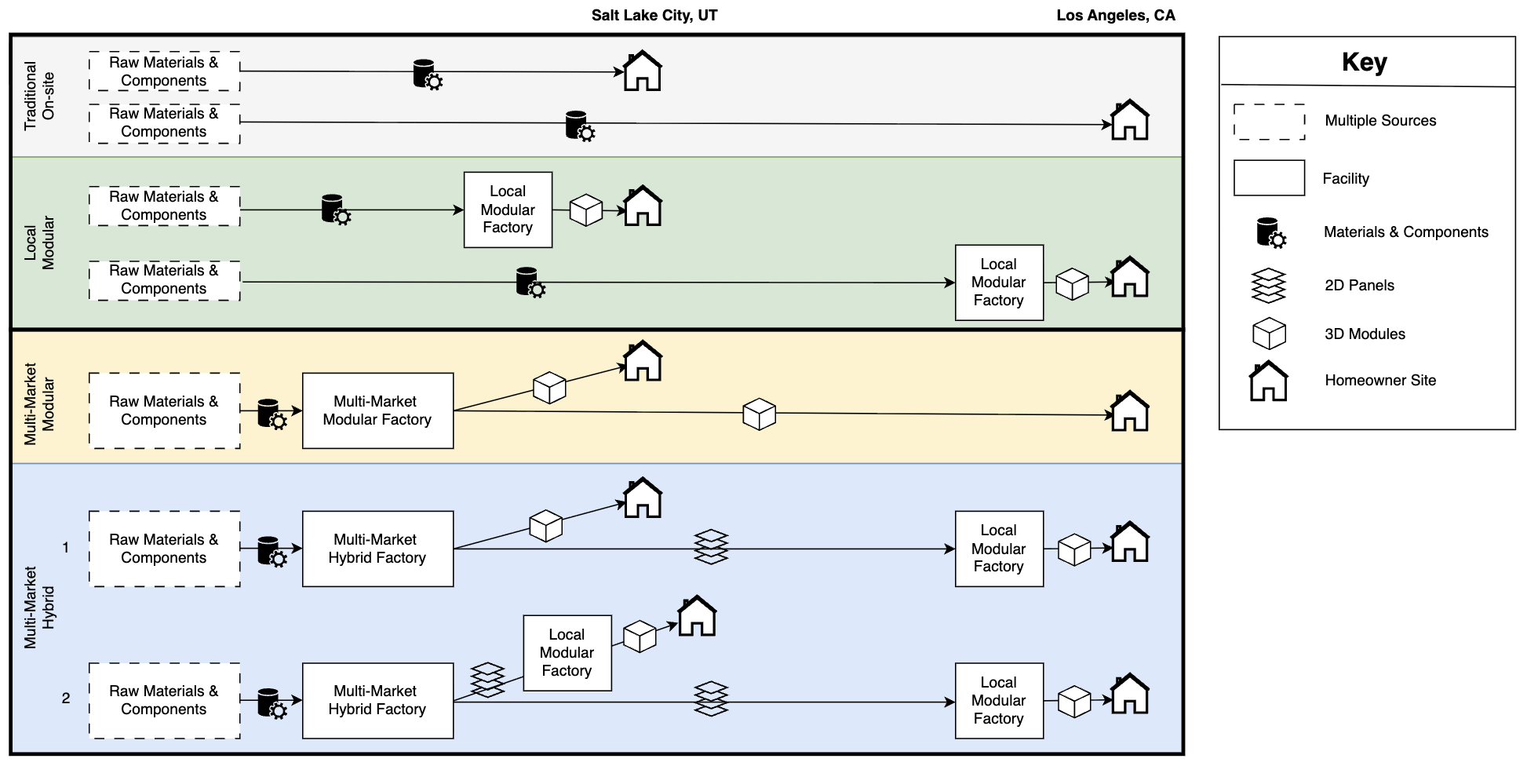

Summary of Model Calculations
National Average (Traditional vs Local): 1. Itemized home construction to assembly process level 2. Used national average housing cost per square feet (source: NAHB) and average time (source: approximation from 2025 Capstone) for site built construction as benchmark 3. Estimated % of total cost for material vs labor (source: approximation) 4. Estimated % of total time per assembly process (source: 2025 Capstone and approximation) 5. Based on traditional, site-built as a benchmark, calculated cost and time % savings from local offsite construction (source: estimated % savings from public reports and approximation) 6. Compared cost results between traditional, site built and local, offsite housing based on national average Regional (Traditional vs Local): 7. Followed steps 2-5 at the regional level (Salt Lake City, UT and Los Angeles, CA) 8. Compare cost results between traditional, site built and local, off site housing for both markets separately Multi-Market : 9. Modular: multi-market factory in SLC shipping modules locally to SLC and distant to LA -- Use SLC material and labor costs with % savings from economies of scale (also account for larger facility = higher fixed costs). Production sq ft cost same for every module out of SLC facility, transportation cost per sq ft differs to each market --- SLC customers: Calculate transportation costs of modules to SLC local customers --- LA customers: Calculate transportation costs of modules to LA distant customers 10. Hybrid Scenario 1: multi-market hybrid factory in SLC shipping modules locally to SLC and shipping panels to local modular factory near LA which ships modules locally to LA customers -- Determine assembly processes to be done in hybrid SLC factory. Use SLC material and labor costs with % savings from economies of scale of shared processes (also account for larger facility = higher fixed costs). Production sq ft cost differ for modules, transportation cost per sq ft differs for each marke

Overall Results
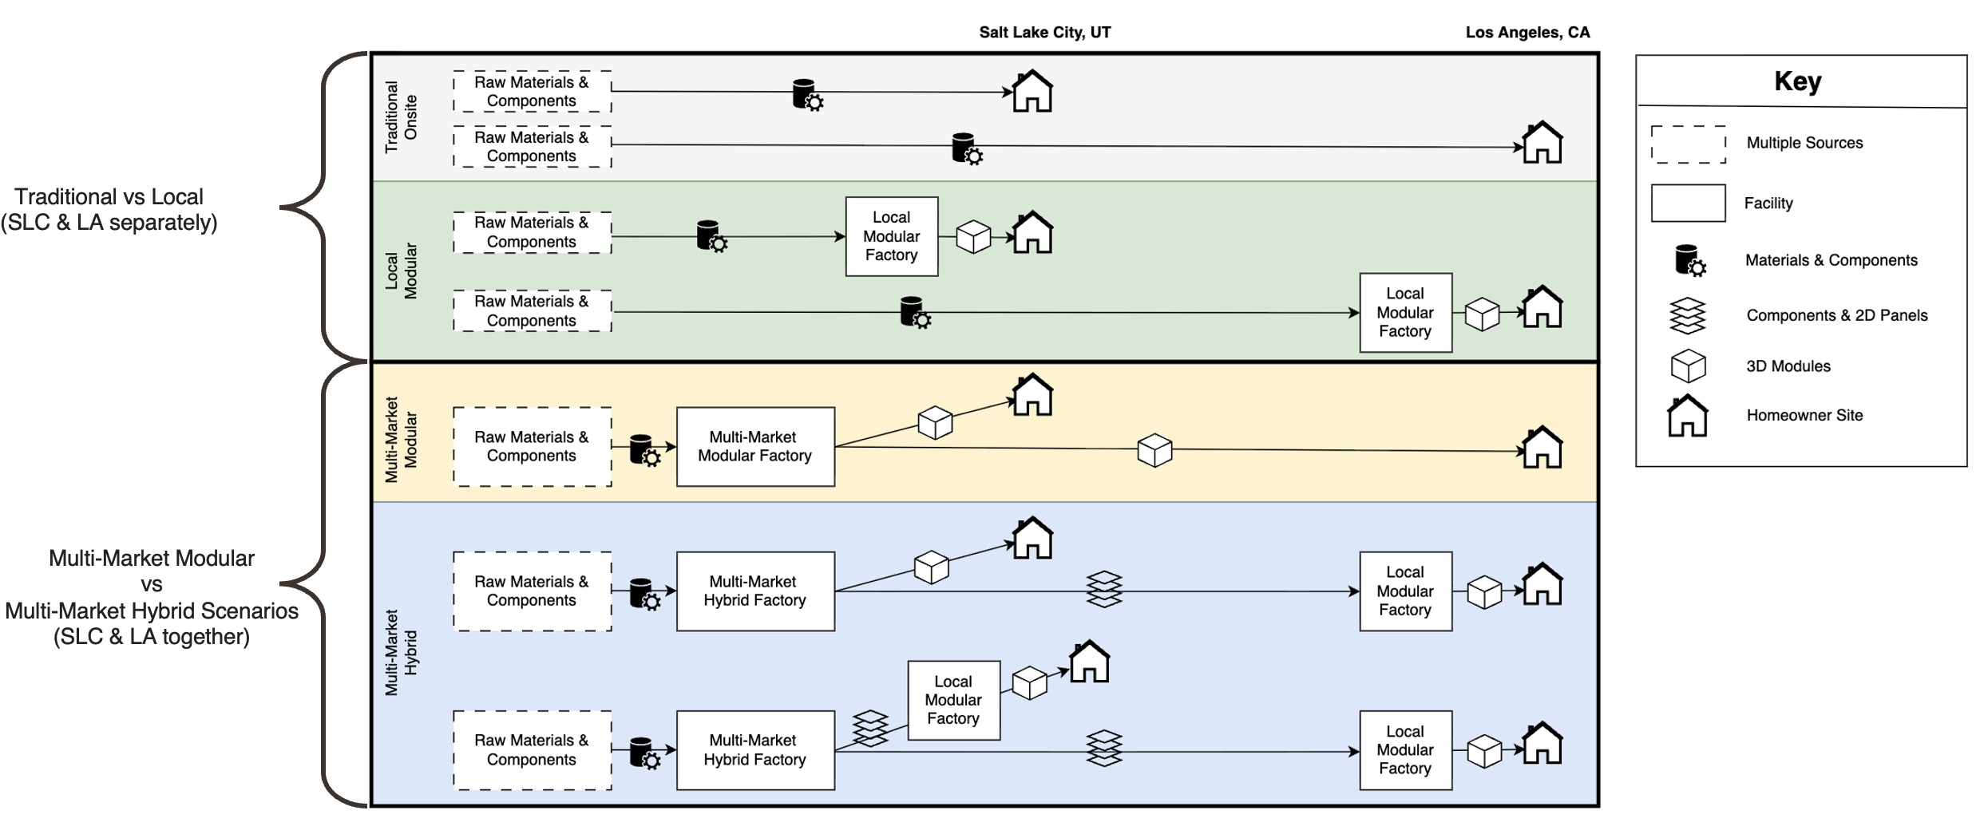
Modular
Manufacturing Strategy | Market Location | Construction Cost | Other Costs | Fixed Costs | Profit | Total Selling Price | Profit % | Construction Cost Savings % | Check | Unit of measure* | Notes
Site Built | Salt Lake City | $150.00 | $57.76 | $- | $25.68 | $233.45 | 11% | 0% | 0 | Square foot | *Go to parameter adjustment page to move
Local | Salt Lake City | $139.60 | $57.76 | $19.15 | $16.94 | $233.45 | 7% | -7% | 0
Multi-Market Modular | Salt Lake City | $128.57 | $57.76 | $19.15 | $27.96 | $233.45 | 12% | -14% | 0
Site Built | Los Angeles | $320.00 | $123.23 | $- | $54.79 | $498.02 | 11% |  | 0
Local | Los Angeles | $285.68 | $123.23 | $32.05 | $57.07 | $498.02 | 11% | -11% | 0
Multi-Market Modular | Los Angeles | $168.95 | $123.23 | $19.15 | $186.69 | $498.02 | 37% | -47% | 0

Hybrid
Manufacturing Strategy | Market Location | Construction Cost | Other Costs | Fixed Costs | Profit | Total Selling Price | Profit % | Construction Cost Savings %
Site Built | Salt Lake City | $150.00 | $57.76 | $- | $25.68 | $233.45 | 11% | 0% | 0
Multi-Market Hybrid 1 | Salt Lake City | $131.05 | $57.76 | $38.30 | $6.33 | $233.45 | 3% | -13% | 0
Multi-Market Hybrid 2 | Salt Lake City | $133.67 | $57.76 | $28.73 | $13.29 | $233.45 | 6% | -11% | 0
Site Built | Los Angeles | $320.00 | $123.23 | $- | $54.79 | $498.02 | 11% | 0% | 0
Multi-Market Hybrid 1 | Los Angeles | $219.31 | $123.23 | $51.20 | $104.28 | $498.02 | 21% | -31% | 0
Multi-Market Hybrid 2 | Los Angeles | $219.31 | $123.23 | $41.62 | $113.86 | $498.02 | 23% | -31% | 0

